Sheet1
 |  | Document No. |  | Issue No. |  | Issue Date |  | Review and Replace Date |  |  | Authorised By
 |  | GFF190MC |  | 1 |  | 11.09.2020 |  | New Issue |  |  | Magda Shah
 |  | Document Title | MISO AUBERGINE WITH CASHEW STIR FRY 450G
Document amendments reason for change |  | New product launch |  |  | Page 1 of 1 |  | Previous Issue Date |  | New Issue |  | Uncontrolled copy unless signed original

 | MINDFUL CHEF |  |  | MISO AUBERGINE WITH CASHEW STIR FRY 450G | FROZEN
STEP 1 |  |  |  | STEP 3 |  |  |  |  |  | STEP 4
 |  |  |  | 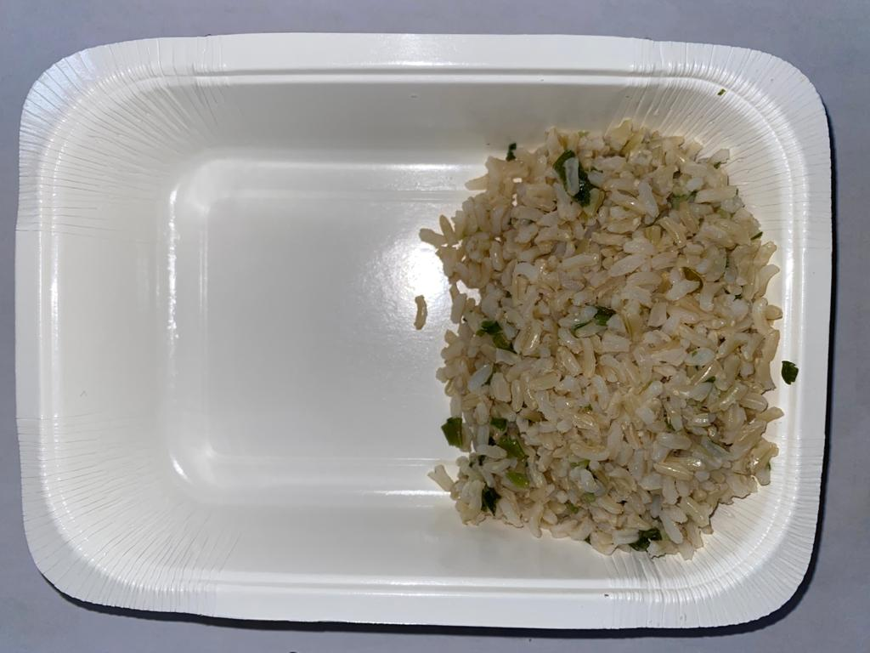 |  |  |  |  |  | 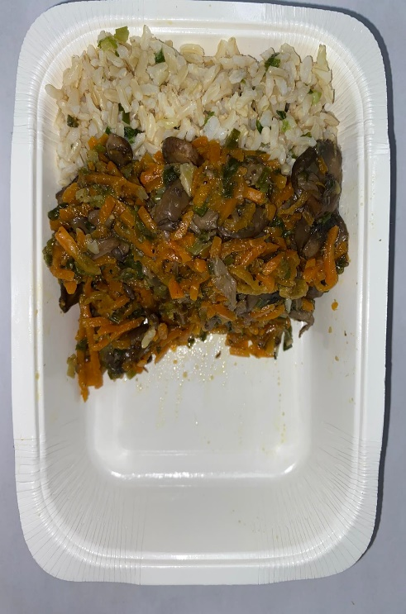

Tray: WHITE OVENABLE BOARD TRAY (PKSOU002-01) |  |  |  | BROWN RICE (GFF255R):100g |  |  |  |  |  | STIR FRIED VEGETABLE:150g
Film: 145 X 100 X 250 (PKWRA001-07)
STEP 5 |  |  |  | STEP 6 |  |  |  |  |  | STEP 7
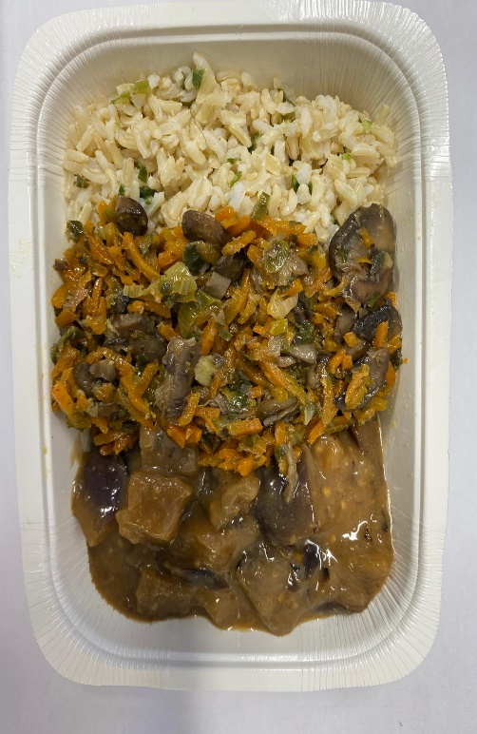 |  |  |  | 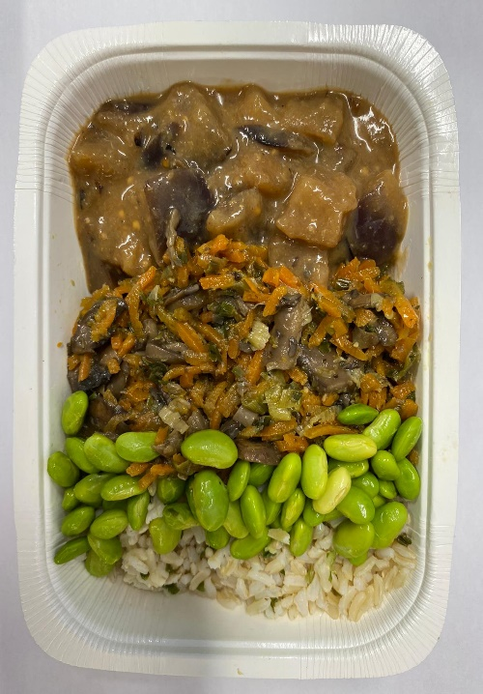 |  |  |  |  |  | 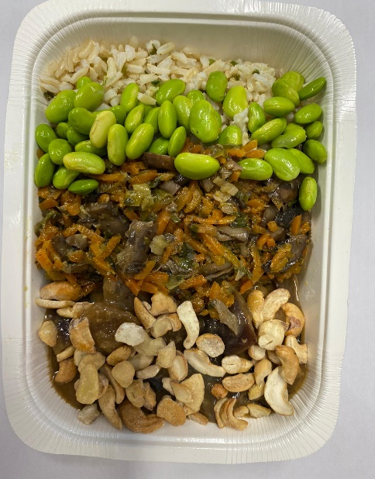

MISO AUBERGINE:160g |  |  |  | STEAMED SOYA BEANS: 30g |  |  |  |  |  | ROASTED CASHEW NUTS LP (RMKLU001-03):10g |  | TOTAL WEIGHT: 450g

ALLERGY ALERT: SOYA, NUTS

